Persona 75 gm x 3 Pack_MARCH'17
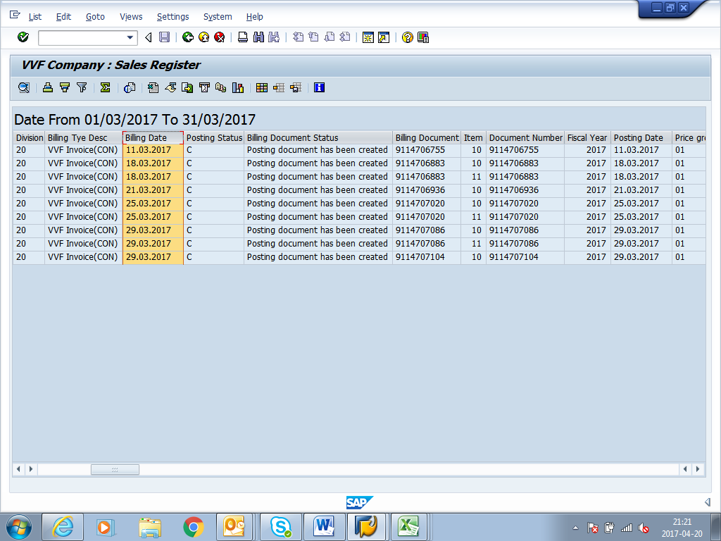
PRODUCT | PERSONA MOISUTURIZING CREAM SOAP 75 gm x 3 Pack |  |  |  | PERSONA MOISUTURIZING CREAM SOAP 75 gm x 3 Pack
ON LINE (SOAP STAMPING & POUCHING) 3 Pack |  |  |  |  | OFF LINE (FINAL PACKING WITH DISPLAY CARTON) 3 Pack |  |  |  |  | RELEASED BY AMWAY 75 gm x 3 Pack
Date | Line Plan | Cummulative | Qty (In MT) | Cummulative | Sleeving Plan | Cummulative | Qty (In MT) | In Cases | Remarks/Batch No. | RELEASED BY AMWAY | MT | PKD
2017-03-01 |  | 0.000 | 20.400 | 20.400 |  | 0.00 | 0.000 |  |  |  | 0.000
2017-03-02 |  | 0.00 | 21.540 | 41.940 |  | 0.00 | 0.000 |  |  |  | 0.000
2017-03-03 |  | 0.00 |  | 41.940 |  | 0.00 | 0.000 |  |  |  | 0.000
2017-03-04 |  | 0.00 |  | 41.940 |  | 0.00 | 0.000 |  |  |  | 0.000
2017-03-05 |  | 0.00 |  | 41.940 |  | 0.00 | 0.000 |  |  |  | 0.000
2017-03-06 |  | 0.00 |  | 41.940 |  | 0.00 | 0.000 |  |  |  | 0.000
2017-03-07 |  | 0.00 |  | 41.940 |  | 0.00 | 12.312 | 1140 | 7060VBEF |  | 0.000
2017-03-08 |  | 0.00 |  | 41.940 |  | 0.00 | 6.739 | 624 | 7060VBEF |  | 0.000
2017-03-09 |  | 0.00 |  | 41.940 |  | 0.00 | 0.000 |  |  |  | 0.000
2017-03-10 |  | 0.00 |  | 41.940 |  | 0.00 | 0.000 |  |  | 1764 | 19.051 | 7060VBEF
2017-03-11 |  | 0.00 |  | 41.940 |  | 0.00 | 0.000 |  |  |  | 0.000 |  | Despatched system screen shot attached
2017-03-12 |  | 0.00 |  | 41.940 |  | 0.00 | 0.000 |  |  |  | 0.000
2017-03-13 |  | 0.00 |  | 41.940 |  | 0.00 | 0.000 |  |  |  | 0.000
2017-03-14 |  | 0.00 |  | 41.940 |  | 0.00 | 2.927 | 271 | 7060VBEF-91 7061VBEG-180 | 91 | 0.983 | 7060VBEF
2017-03-15 |  | 0.00 |  | 41.940 |  | 0.00 | 5.659 | 524 | 7061VBEG=524 Box |  | 0.000 |  | Small qty clubed with 18th April
2017-03-16 |  | 0.00 |  | 41.940 |  | 0.00 | 3.413 | 316 | 7061VBEG=316 Box |  | 0.000
2017-03-17 |  | 0.00 |  | 41.940 |  | 0.00 | 4.374 | 405 | 7061VBEG=405 Box | 1100 | 11.880 | 7061VBEG
2017-03-18 |  | 0.00 |  | 41.940 |  | 0.00 | 4.450 | 412 | 7061VBEG=412 Box |  | 0.000 |  | Despatched system screen shot attached
2017-03-19 |  | 0.00 |  | 41.940 |  | 0.00 | 2.074 | 192 | 7061VBEG=192 Box |  | 0.000
2017-03-20 |  | 0.00 |  | 41.940 |  | 0.00 | 0.000 |  |  | 929 | 10.033 | 7061VBEG
2017-03-21 |  | 0.00 |  | 41.940 |  | 0.00 | 0.000 |  |  |  | 0.000 |  | Despatched system screen shot attached | 4715
2017-03-22 |  | 0.00 | 7.188 | 49.128 |  | 0.00 | 0.000 |  |  |  | 0.000
2017-03-23 |  | 0.00 | 16.572 | 65.700 |  | 0.00 | 10.368 | 960 | 7081VBEH=960 Box |  | 0.000
2017-03-24 |  | 0.00 | 12.042 | 77.742 |  | 0.00 | 12.042 | 1115 | 7081VBEH=335 Box 7082VBEK=780 Box | 1295 | 13.986 | 7081VBEH
2017-03-25 |  | 0.00 | 4.860 | 82.602 |  | 0.00 | 11.016 | 1020 | 7082VBEK=1020 Box |  | 0.000 |  | Despatched system screen shot attached
2017-03-26 |  | 0.00 |  | 82.602 |  | 0.00 | 5.594 | 518 | 7082VBEK=518 Box |  | 0.000
2017-03-27 |  | 0.00 |  | 82.602 |  | 0.00 | 1.631 | 151 | 7082VBEK=151 Box |  | 0.000
2017-03-28 |  | 0.00 |  | 82.602 |  | 0.00 | 0.000 |  |  | 2469 | 26.665 | 7082VBEK
2017-03-29 |  | 0.00 |  | 82.602 |  | 0.00 | 0.000 |  |  |  | 0.000 |  | Despatched system screen shot attached
2017-03-30 |  | 0.00 |  | 82.602 |  | 0.00 | 0.000 |  |  |  | 0.000
2017-03-31 |  | 0.00 |  | 82.602 |  | 0.00 | 0.000 |  |  |  | 0.000
Total | 0 | 0 | 82.602 | 82.602 | 0 | 0 | 82.598 | 7648 |  | 7648.00 | 82.598

